Prior Transfers
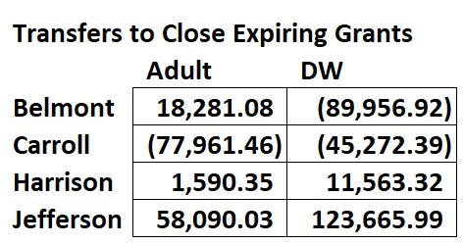
Below Approved Fall COG

